Table 1

Selected Acquisition Report (SAR)
RCS: DD-A&T(Q&A)823-278
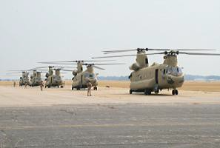
CH-47F Improved Cargo Helicopter (CH-47F)
As of FY 2017 President's Budget
Defense Acquisition Management Information Retrieval
(DAMIR)

Table 9
Schedule
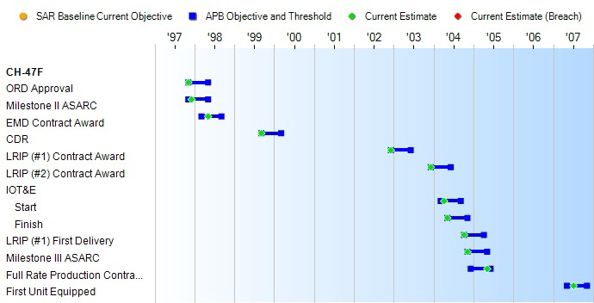
Schedule Events
Events | SAR Baseline Production Estimate | Current APB Production Objective/Threshold |  | Current Estimate
ORD Approval | Nov 1997 | Nov 1997 | May 1998 | Nov 1997
Milestone II ASARC | Nov 1997 | Nov 1997 | May 1998 | Dec 1997
EMD Contract Award | Mar 1998 | Mar 1998 | Sep 1998 | May 1998
CDR | Sep 1999 | Sep 1999 | Mar 2000 | Sep 1999
LRIP (#1) Contract Award | Dec 2002 | Dec 2002 | Jun 2003 | Dec 2002
LRIP (#2) Contract Award | Dec 2003 | Dec 2003 | Jun 2004 | Dec 2003
IOT&E
Start | Mar 2004 | Mar 2004 | Sep 2004 | Apr 2004
Finish | May 2004 | May 2004 | Nov 2004 | May 2004
LRIP (#1) First Delivery | Oct 2004 | Oct 2004 | Apr 2005 | Oct 2004
Milestone III ASARC | Nov 2004 | Nov 2004 | May 2005 | Nov 2004
Full Rate Production Contract Award | Dec 2004 | Dec 2004 | Jun 2005 | May 2005
First Unit Equipped | May 2007 | May 2007 | Nov 2007 | Jul 2007

Table 24
Unit Cost History
Item |  |  |  |  |  |  |  | Date |  |  |  |  | BY 2005 $M |  |  |  |  |  |  | TY $M
 |  |  |  |  |  |  |  |  |  |  |  |  | PAUC |  | APUC |  |  |  |  | PAUC |  |  |  | APUC

Original APB |  |  |  |  | May 1998 |  |  |  |  |  |  |  | 9.283 |  |  |  | 8.840 |  |  |  | 10.316 |  |  |  | 9.909
APB as of January 2006 |  |  |  |  | Nov 2004 |  |  |  |  |  |  |  | 20.732 |  |  |  | 20.461 |  |  |  | 23.725 |  |  |  | 23.483
Revised Original APB |  |  |  |  | Nov 2004 |  |  |  |  |  |  |  | 20.732 |  |  |  | 20.461 |  |  |  | 23.725 |  |  |  | 23.483
Prior APB |  |  |  |  | Nov 2004 |  |  |  |  |  |  |  | 20.732 |  |  |  | 20.461 |  |  |  | 23.725 |  |  |  | 23.483
Current APB |  |  |  |  | Apr 2010 |  |  |  |  |  |  |  | 22.957 |  |  |  | 22.694 |  |  |  | 25.974 |  |  |  | 25.745
Prior Annual SAR |  |  |  |  | Dec 2014 |  |  |  |  |  |  |  | 23.844 |  |  |  | 23.597 |  |  |  | 27.345 |  |  |  | 27.132
Current Estimate |  |  |  |  | Dec 2015 |  |  |  |  |  |  |  | 23.872 |  |  |  | 23.622 |  |  |  | 27.292 |  |  |  | 27.077
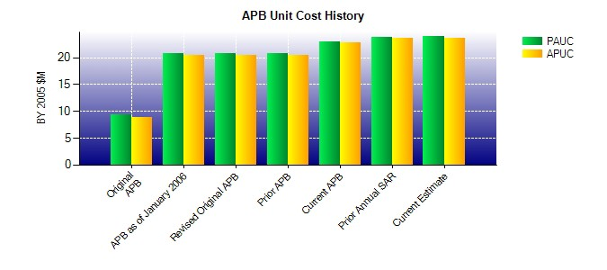
SAR Unit Cost History
Initial SAR Baseline to Current SAR Baseline (TY $M)
Initial PAUC Development Estimate | Changes |  |  |  |  |  |  |  |  |  |  |  |  |  |  |  |  |  |  |  |  |  | PAUC Production Estimate
 | Econ |  | Qty |  |  | Sch |  |  | Eng |  | Est |  |  | Oth |  | Spt |  |  | Total
10.316 -0.491 3.003 -0.164 2.273 7.378 0.000 1.410 13.409 23.725
Current SAR Baseline to Current Estimate (TY $M)
PAUC Production Estimate |  | Changes |  |  |  |  |  |  |  |  |  |  |  |  |  |  |  |  |  |  |  | PAUC Current Estimate
 |  | Econ |  | Qty |  |  | Sch |  |  | Eng |  | Est |  | Oth |  | Spt |  | Total
23.725 -0.173 0.285 -0.678 0.416 3.381 0.000 0.336 3.567 27.292

